General Overview
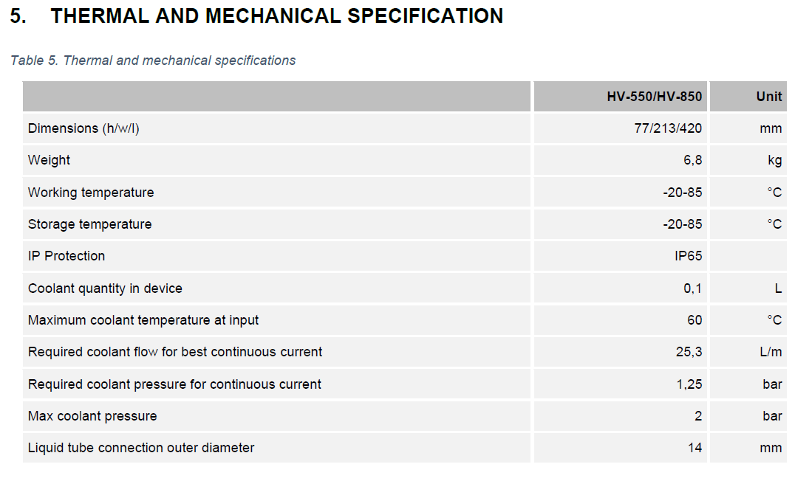
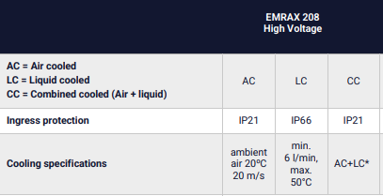
Cooling Specifications DTI HV550 | Cooling Specifications EMRAX 208HV LC |  |  | MIS High W/ FOS
 |  |  |  | Average high (°C) = | 33
 |  |  |  | Average high (°F) = | 91.4

 |  |  |  | Sensors for Validation
 |  |  |  | Type | Quantity | Location
 |  |  |  | Coolant Temp | 1 | Fill Neck
 |  |  |  | Air Temp | 2 | Accum. Garage
 |  |  |  |  | 1 | After Pump
 |  |  |  |  | 1 | Filler Neck

 | E25 Coolant Loop Layout |  |  |  |  |  | E24 Coolant Loop Layout

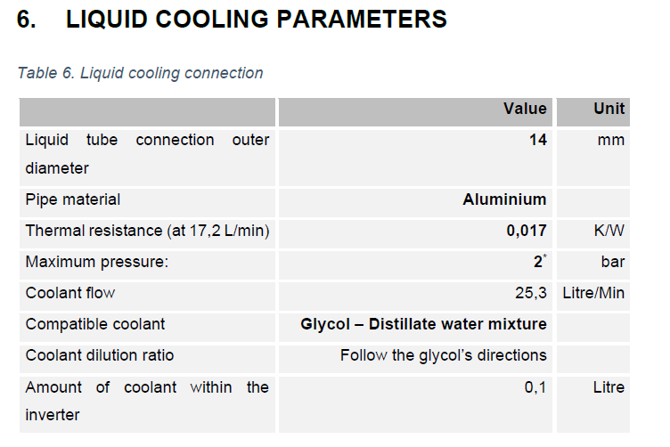
 | Fill Neck | Radiator | Pump | Motor |  | Inverter |  | Fill Neck | Pump | Radiator | inverter | Motor

 | Notes:
 | 1. Motor placed earlier based on lower inlet temperature requirments
 | 2. 3/8 in Tubing through out

Cooling Load
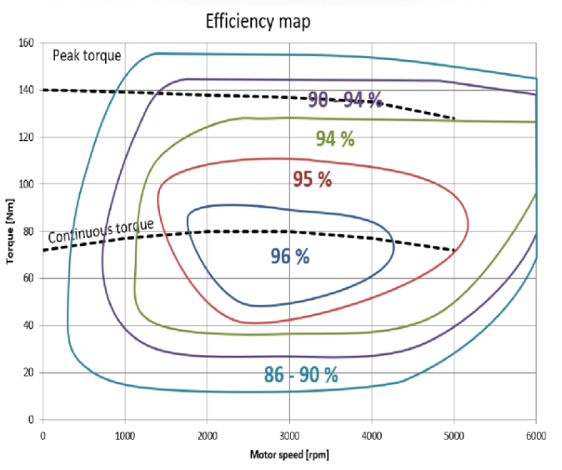
Generated Total Heat |  |  | Controller Efficiency
Motor Eff. Upper (%) = | 96 | Peak Efficiency | DC Voltage = | 504 | E25 Nominal Voltage
Motor Eff. Lower (%) = | 92 | Least Efficiency | AC Current = | 78 | Based on average from E24 Iq data
Motor Eff. (%) = | 94 | Average | Power in (W) = | 39312
Controller Efficienct (%) = | 97.405372405 |  | Power Loss (W) = | 1020 | Assumed at 600V and 200A for FOS
Max Power (kW) = | 86 | Given Max | Controller Efficiency (%) = | 97.405372405
Heat Generated (kW) = | 7.2574969475 | see equation 26
Total Eff. (%) = | 91.561050061

Radiator Max Capable Load
 |  |  |  |  |  |  |  |  |  | 240mm T27 Radiator |  |  | 360mm T27 Radiator |  |  | 360mm T38 Radiator |  | 420mm T27 Radiator |  |  | 420mm T38 Radiator

Qmax vs CFM of Various Radiators
 |  |  |  |  |  | Overall Heat Transfer Coefficient Constants |  |  |  | SA 360mm T27 Rad |  |  | SA 360mm T27 Rad |  |  | SA 360mm T38 Rad |  | SA 420mm T27 Rad |  |  | SA 420mm T38 Rad
 |  |  |  |  |  |  |  | Source |  | Length (m) = | 0.24 |  | Length (m) = | 0.36 |  | Length (m) = | 0.36 | Length (m) = | 0.42 |  | Length (m) = | 0.42
 |  |  |  |  |  |  |  |  |  | Width (m) = | 0.12 |  | Width (m) = | 0.12 |  | Width (m) = | 0.12 | Width (m) = | 0.14 |  | Width (m) = | 0.14
 |  |  |  |  |  |  |  |  |  | Frontal Area (m2) = | 0.0288 |  | Frontal Area (m2) = | 0.0432 |  | Frontal Area (m2) = | 0.0432 | Frontal Area (m2) = | 0.0588 |  | Frontal Area (m2) = | 0.0588
 |  |  |  |  |  |  |  |  |  | Fin Density (per in) = | 19 |  | Fin Density (per in) = | 19 |  | Fin Density (per in) = | 19 | Fin Density (per in) = | 20 |  | Fin Density (per in) = | 20
 |  |  |  |  |  | Area of 120mm Fan (m2) = | 0.0095033177771 | D=110mm |  | Fin Density (per m) = | 748.03149606 |  | Fin Density (per m) = | 748.03149606 |  | Fin Density (per m) = | 748.03149606 | Fin Density (per m) = | 787.4015748 |  | Fin Density (per m) = | 787.4015748
 |  |  |  |  |  | Area of 120mm Fan (ft2) = | 0.10229286121 |  |  | Fin Height (m) = | 0.027 |  | Fin Height (m) = | 0.027 |  | Fin Height (m) = | 0.038 | Fin Height (m) = | 0.027 |  | Fin Height (m) = | 0.038
 |  |  |  |  |  | Area of 140mm Fan (m2) = | 0.013273228961 | D=130mm |  | Total SA (m3) = | 1.1633385827 |  | Total SA (m3) = | 1.745007874 |  | Total SA (m3) = | 2.4559370079 | Total SA (m3) = | 2.5001574803 |  | Total SA (m3) = | 3.5187401575
 |  |  |  |  |  | Area of 140mm Fan (ft2) = | 0.14287184748
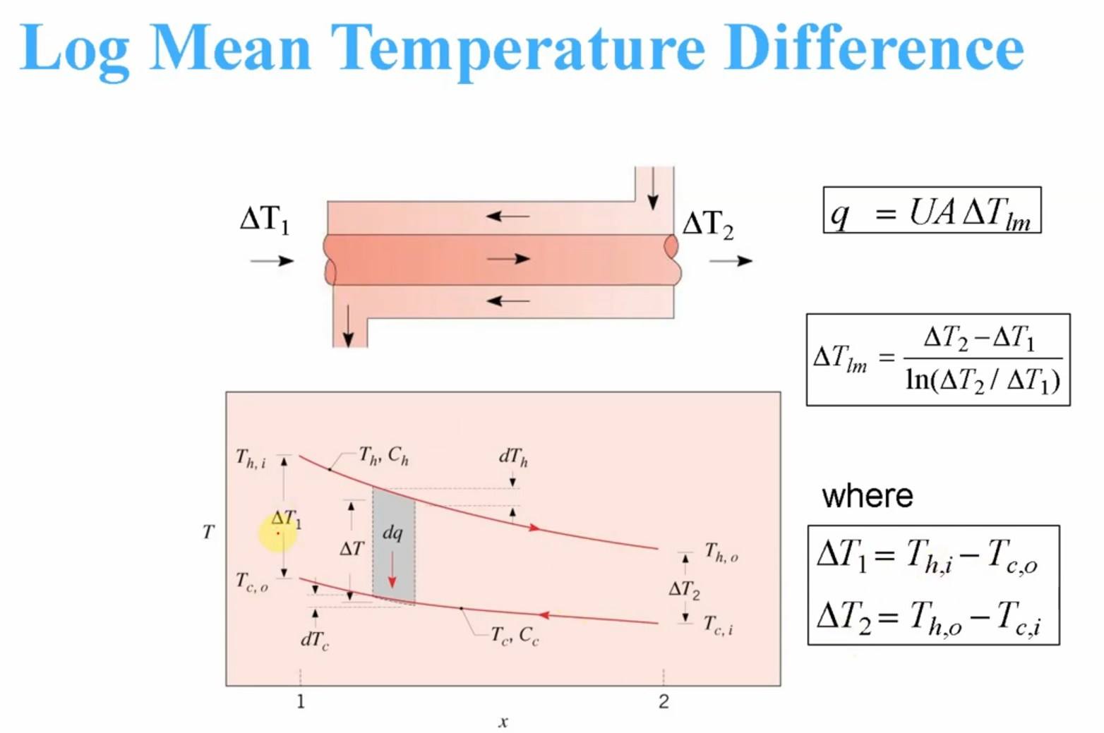
 |  |  |  |  |  | Wall Thickness (mm) = | 0.5 | Guestimate
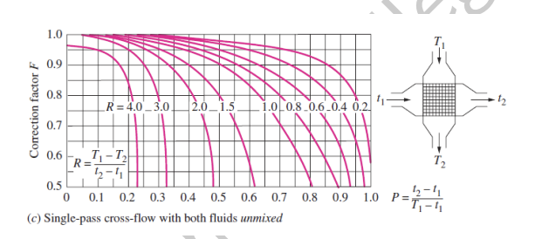
 |  |  |  |  |  | Wall Thickness (m) = | 0.0005 | (t)
 |  |  |  |  |  | Thermal Conductivity (W/m*K) = | 237 | (k) aluminum

 |  |  |  |  |  |  |  |  |  | Constant Values for Temperatures (ºC)
 |  |  |  |  |  |  |  |  |  | ∆T1 = | 22 | h=water
Values for hair |  |  |  |  | Values for hcoolant |  |  |  |  | ∆T2 = | 12 | c=air | R = | -3
Thermal Conductivity (W/mK) = | 0.026 |  |  |  | Thermal Conductivity (W/mK) = | 0.6 |  |  |  | Cooling Load (kW) = | 7.2574969475
Diameter (m) = | 0.003 |  |  |  | Diameter (m) = | 0.001 |  |  |  | Coolant out = | 45 | Max inlet for motor
Prandtl number = | 0.71 |  |  |  | Prandtl number = | 6.9 |  |  |  | Q Motor = | 5.16
Kinematic Viscosity (m2/s) = | 0.00001072 |  |  |  | Kinematic Viscosity (m2/s) = | 5.112E-07 |  |  |  | Air in = | 33 | Ambient at MIS w/ FOS
https://www.engineersedge.com/physics/viscosity_of_air_dynamic_and_kinematic_14483.htm |  |  |  |  |  |  |  |  |  | Air out = | 38 | Lowest it can be to account for blowing into accumulator
E17 |  |  |  |  |  |  |  |  |  | ∆Tair = | 5
E24 Accum. |  |  |  |  |  |  |  |  |  |  |  |  |  | Safety Factor: | 1.2
E24 |  |  |  |  |  |  |  |  |  |  |  |  |  | Load with SF = | 8.708996337 |  | Based on aproximate delta from E24 w/ FOS
5 | 120 mm |  | 140mm |  |  |  |  | 0 | outflow diameter (mm) = | 8 |  |  |  |  |  |  | 15
CFM | Air Velocity (ft/s) | Air Velocity (m/s) | Air Velocity (ft/s) | Air Velocity (m/s) | 140mm hair | 120mm hair |  | Water Velocity (L/m) | Water Velocity (m3/s) | Water Velocity (m/s) | hwater |  | Overall HTC 140mm (U) |  | Overall HTC 120mm (U) |  | Coolant In (ºC) | Log Mean Temp Diff. |  | Qmax 240mm T27 (kW) |  | Qmax 360mm T27 (kW) | Qmax 360mm T38 (kW) | Qmax 420mm T27 (kW) | Qmax 420mm T38 (kW)
0 | 0 | 0 | 0 | 0 | 0 | 0 |  | 6 | 0.0001000002 | 0.49736019188 | 6179241.1278 |  | 0 |  | 0 |  | 60 | 15.673055352 |  | 0 |  | 0 | 0 | 0 | 0
5 | 0.8146544377 | 0.24829455584 | 0.58327329563 | 0.17777302518 | 6235.866018 | 7395.1961786 |  | 6 | 0.0001000002 | 0.49736019188 | 6179241.1278 |  | 6148.768714 |  | 7273.02063 |  | 60 | 16.497953002 |  | 1.3958894132 |  | 2.0938341197 | 2.94687765 | 2.5362121829 | 3.5694838129
10 | 1.6293088754 | 0.49658911167 | 1.1665465913 | 0.35554605037 | 8890.1547719 | 10562.117041 |  | 6 | 0.0001000002 | 0.49736019188 | 6179241.1278 |  | 8714.1779281 |  | 10314.645612 |  | 60 | 16.497953002 |  | 1.9796595311 |  | 2.9694892967 | 4.1792812324 | 3.594378851 | 5.0587554199
15 | 2.4439633131 | 0.74488366751 | 1.7498198869 | 0.53331907555 | 10959.685859 | 13039.885967 |  | 6 | 0.0001000002 | 0.49736019188 | 6179241.1278 |  | 10693.468435 |  | 12664.748751 |  | 60 | 16.497953002 |  | 2.4307079 |  | 3.64606185 | 5.1314944555 | 4.410786319 | 6.2077733378
20 | 3.2586177508 | 0.99317822335 | 2.3330931825 | 0.71109210074 | 12727.707561 | 15162.624083 |  | 6 | 0.0001000002 | 0.49736019188 | 6179241.1278 |  | 12370.0708 |  | 14657.774296 |  | 60 | 16.497953002 |  | 2.8132234186 |  | 4.219835128 | 5.9390272171 | 5.1023425545 | 7.1810747063
25 | 4.0732721885 | 1.2414727792 | 2.9163664782 | 0.88886512592 | 14303.678271 | 17059.380299 |  | 6 | 0.0001000002 | 0.49736019188 | 6179241.1278 |  | 13853.557731 |  | 16422.973484 |  | 60 | 16.497953002 |  | 3.152012896 |  | 4.728019344 | 6.6542494471 | 5.7142435386 | 8.042268684
30 | 4.8879266262 | 1.489767335 | 3.4996397738 | 1.0666381511 | 15743.625319 | 18796.180183 |  | 6 | 0.0001000002 | 0.49736019188 | 6179241.1278 |  | 15200.038143 |  | 18026.51617 |  | 60 | 16.497953002 |  | 3.4597761175 |  | 5.1896641763 | 7.3039718036 | 6.2696327855 | 8.823927624
35 | 5.7025810639 | 1.7380618909 | 4.0829130694 | 1.2444111763 | 17080.773417 | 20412.162009 |  | 6 | 0.0001000002 | 0.49736019188 | 6179241.1278 |  | 16442.79929 |  | 19507.651187 |  | 60 | 16.497953002 |  | 3.744045996 |  | 5.616068994 | 7.9040971026 | 6.7822404483 | 9.5453754457
40 | 6.5172355016 | 1.9863564467 | 4.6661863651 | 1.4221842015 | 18336.735558 | 21932.776378 |  | 6 | 0.0001000002 | 0.49736019188 | 6179241.1278 |  | 17603.504364 |  | 20891.917863 |  | 60 | 16.497953002 |  | 4.009724219 |  | 6.0145863285 | 8.4649733512 | 7.2610020486 | 10.219188068
45 | 7.3318899393 | 2.2346510025 | 5.2494596607 | 1.5999572267 | 19526.501666 | 23375.668877 |  | 6 | 0.0001000002 | 0.49736019188 | 6179241.1278 |  | 18697.184901 |  | 22197.035327 |  | 60 | 16.497953002 |  | 4.2602115672 |  | 6.3903173509 | 8.9937799753 | 7.7121177161 | 10.854091601
50 | 8.146544377 | 2.4829455584 | 5.8327329563 | 1.7777302518 | 20660.970353 | 24753.664886 |  | 6 | 0.0001000002 | 0.49736019188 | 6179241.1278 |  | 19734.774847 |  | 23435.891406 |  | 60 | 16.497953002 |  | 4.497981563 |  | 6.7469723445 | 9.4957388553 | 8.1400974277 | 11.456433417
55 | 8.9611988147 | 2.7312401142 | 6.4160062519 | 1.955503277 | 21748.358103 | 26076.430577 |  | 6 | 0.0001000002 | 0.49736019188 | 6179241.1278 |  | 20724.521242 |  | 24618.206284 |  | 60 | 16.497953002 |  | 4.7248997729 |  | 7.0873496593 | 9.9747884094 | 8.5483428804 | 12.031001091
60 | 9.7758532524 | 2.97953467 | 6.9992795476 | 2.1332763022 | 22795.040075 | 27351.463772 |  | 6 | 0.0001000002 | 0.49736019188 | 6179241.1278 |  | 21672.826069 |  | 25751.525199 |  | 60 | 16.497953002 |  | 4.9424143319 |  | 7.4136214978 | 10.433985812 | 8.9394947298 | 12.581511101
65 | 10.59050769 | 3.2278292259 | 7.5825528432 | 2.3110493274 | 23806.079813 | 28584.718067 |  | 6 | 0.0001000002 | 0.49736019188 | 6179241.1278 |  | 22584.776696 |  | 26841.843878 |  | 60 | 16.497953002 |  | 5.1516759824 |  | 7.7275139737 | 10.875760407 | 9.3156513881 | 13.110916768
70 | 11.405162128 | 3.4761237817 | 8.1658261388 | 2.4888223526 | 24785.577909 | 29781.013574 |  | 6 | 0.0001000002 | 0.49736019188 | 6179241.1278 |  | 23464.495097 |  | 27894.020243 |  | 60 | 16.497953002 |  | 5.3536170909 |  | 8.0304256364 | 11.302080525 | 9.6785130648 | 13.62161098
75 | 12.219816566 | 3.7244183376 | 8.7490994345 | 2.6665953778 | 25736.909932 | 30944.317153 |  | 6 | 0.0001000002 | 0.49736019188 | 6179241.1278 |  | 24315.376183 |  | 28912.055372 |  | 60 | 16.497953002 |  | 5.5490055728 |  | 8.3235083593 | 11.71456732 | 10.029480076 | 14.115564551
80 | 13.034471003 | 3.9727128934 | 9.3323727301 | 2.844368403 | 26662.893768 | 32077.939481 |  | 6 | 0.0001000002 | 0.49736019188 | 6179241.1278 |  | 25140.255473 |  | 29899.291144 |  | 60 | 16.497953002 |  | 5.7384828246 |  | 8.607724237 | 12.114574852 | 10.369722001 | 14.594423557
85 | 13.849125441 | 4.2210074492 | 9.9156460257 | 3.0221414281 | 27565.910402 | 33184.677262 |  | 6 | 0.0001000002 | 0.49736019188 | 6179241.1278 |  | 25941.530124 |  | 30858.552881 |  | 60 | 16.497953002 |  | 5.9225911027 |  | 8.883886654 | 12.503247883 | 10.700227607 | 15.059579595
90 | 14.663779879 | 4.4693020051 | 10.498919321 | 3.1999144533 | 28447.993037 | 34266.918146 |  | 6 | 0.0001000002 | 0.49736019188 | 6179241.1278 |  | 26721.248249 |  | 31792.254636 |  | 60 | 16.497953002 |  | 6.1017937285 |  | 9.1526905928 | 12.881564538 | 11.021841689 | 15.512221637
95 | 15.478434316 | 4.7175965609 | 11.082192617 | 3.3776874785 | 29310.894145 | 35326.719649 |  | 6 | 0.0001000002 | 0.49736019188 | 6179241.1278 |  | 27481.176139 |  | 32702.478396 |  | 60 | 16.497953002 |  | 6.2764902919 |  | 9.4147354379 | 13.250368394 | 11.335292799 | 15.95337505
100 | 16.293088754 | 4.9658911167 | 11.665465913 | 3.5554605037 | 30156.136772 | 36365.869538 |  | 6 | 0.0001000002 | 0.49736019188 | 6179241.1278 |  | 28222.849702 |  | 33591.034708 |  | 60 | 16.497953002 |  | 6.447028286 |  | 9.6705424289 | 13.610393048 | 11.641214457 | 16.383931459
105 | 17.107743192 | 5.2141856726 | 12.248739208 | 3.7332335289 | 30985.054402 | 37385.932733 |  | 6 | 0.0001000002 | 0.49736019188 | 6179241.1278 |  | 28947.614433 |  | 34459.509781 |  | 60 | 16.497953002 |  | 6.6137121471 |  | 9.9205682207 | 13.962281199 | 11.94016165 | 16.804671951
110 | 17.922397629 | 5.4624802284 | 12.832012504 | 3.9110065541 | 31798.822337 | 38388.288236 |  | 6 | 0.0001000002 | 0.49736019188 | 6179241.1278 |  | 29656.656898 |  | 35309.302579 |  | 60 | 16.497953002 |  | 6.7768103742 |  | 10.165215561 | 14.306599679 | 12.232623803 | 17.216285352
115 | 18.737052067 | 5.7107747842 | 13.4152858 | 4.0887795793 | 32598.482709 | 39374.158549 |  | 6 | 0.0001000002 | 0.49736019188 | 6179241.1278 |  | 30351.029819 |  | 36141.654382 |  | 60 | 16.497953002 |  | 6.9365612024 |  | 10.404841804 | 14.643851427 | 12.519035139 | 17.619382788
120 | 19.551706505 | 5.9590693401 | 13.998559095 | 4.2665526044 | 33384.964633 | 40344.63338 |  | 6 | 0.0001000002 | 0.49736019188 | 6179241.1278 |  | 31031.672299 |  | 36957.67261 |  | 60 | 16.497953002 |  | 7.0931771759 |  | 10.639765764 | 14.974485149 | 12.799783014 | 18.014509427
125 | 20.366360943 | 6.2073638959 | 14.581832391 | 4.4443256296 | 34159.100603 | 41300.688928 |  | 6 | 0.0001000002 | 0.49736019188 | 6179241.1278 |  | 31699.426274 |  | 37758.350214 |  | 60 | 16.497953002 |  | 7.2468488684 |  | 10.870273303 | 15.298903167 | 13.075214705 | 18.402154029
130 | 21.18101538 | 6.4556584518 | 15.165105686 | 4.6220986548 | 34921.639956 | 42243.203711 |  | 6 | 0.0001000002 | 0.49736019188 | 6179241.1278 |  | 32355.05003 |  | 38544.581593 |  | 60 | 16.497953002 |  | 7.3977479397 |  | 11.09662191 | 15.617467873 | 13.345642987 | 18.782756796
135 | 21.995669818 | 6.7039530076 | 15.748378982 | 4.79987168 | 35673.260018 | 43172.971676 |  | 6 | 0.0001000002 | 0.49736019188 | 6179241.1278 |  | 32999.229394 |  | 39317.175783 |  | 60 | 16.497953002 |  | 7.5460296655 |  | 11.319044498 | 15.930507072 | 13.611350745 | 19.156715863
140 | 22.810324256 | 6.9522475634 | 16.331652278 | 4.9776447052 | 36414.575406 | 44090.71313 |  | 6 | 0.0001000002 | 0.49736019188 | 6179241.1278 |  | 33632.58707 |  | 40076.867455 |  | 60 | 16.497953002 |  | 7.691835049 |  | 11.537752573 | 16.238318437 | 13.872594829 | 19.524392723
145 | 23.624978693 | 7.2005421193 | 16.914925573 | 5.1554177304 | 37146.145833 | 44997.083923 |  | 6 | 0.0001000002 | 0.49736019188 | 6179241.1278 |  | 34255.690487 |  | 40824.326157 |  | 60 | 16.497953002 |  | 7.8352925946 |  | 11.752938892 | 16.541173255 | 14.129609291 | 19.886116779
150 | 24.439633131 | 7.4488366751 | 17.498198869 | 5.3331907555 | 37868.482723 | 45892.683208 |  | 6 | 0.0001000002 | 0.49736019188 | 6179241.1278 |  | 34869.058434 |  | 41560.164133 |  | 60 | 16.497953002 |  | 7.9765198085 |  | 11.964779713 | 16.839319596 | 14.382608115 | 20.242189199
155 | 25.254287569 | 7.6971312309 | 18.081472165 | 5.5109637807 | 38582.05482 | 46778.060051 |  | 6 | 0.0001000002 | 0.49736019188 | 6179241.1278 |  | 35473.166704 |  | 42284.942972 |  | 60 | 16.497953002 |  | 8.1156244748 |  | 12.173436712 | 17.132985002 | 14.631787557 | 20.592886191
160 | 26.068942006 | 7.9454257868 | 18.66474546 | 5.6887368059 | 39287.293002 | 47653.719073 |  | 6 | 0.0001000002 | 0.49736019188 | 6179241.1278 |  | 36068.452928 |  | 42999.179298 |  | 60 | 16.497953002 |  | 8.2527057477 |  | 12.379058622 | 17.422378801 | 14.877328127 | 20.938461808
165 | 26.883596444 | 8.1937203426 | 19.248018756 | 5.8665098311 | 39984.594411 | 48520.125307 |  | 6 | 0.0001000002 | 0.49736019188 | 6179241.1278 |  | 36655.320727 |  | 43703.349666 |  | 60 | 16.497953002 |  | 8.3878550911 |  | 12.581782637 | 17.707694081 | 15.119396308 | 21.27915036
170 | 27.698250882 | 8.4420148985 | 19.831292051 | 6.0442828563 | 40674.326026 | 49377.708398 |  | 6 | 0.0001000002 | 0.49736019188 | 6179241.1278 |  | 37234.143303 |  | 44397.894792 |  | 60 | 16.497953002 |  | 8.52115709 |  | 12.781735635 | 17.989109412 | 15.358146038 | 21.615168498
175 | 28.51290532 | 8.6903094543 | 20.414565347 | 6.2220558815 | 41356.82776 | 50226.866241 |  | 6 | 0.0001000002 | 0.49736019188 | 6179241.1278 |  | 37805.266559 |  | 45083.223221 |  | 60 | 16.497953002 |  | 8.6526901555 |  | 12.979035233 | 18.266790328 | 15.593719993 | 21.946717027
180 | 29.327559757 | 8.9386040101 | 20.997838643 | 6.3998289067 | 42032.41517 | 51067.968157 |  | 6 | 0.0001000002 | 0.49736019188 | 6179241.1278 |  | 38369.011818 |  | 45759.714537 |  | 60 | 16.497953002 |  | 8.7825271399 |  | 13.17379071 | 18.540890629 | 15.826250709 | 22.273982479
185 | 30.142214195 | 9.186898566 | 21.581111938 | 6.5776019318 | 42701.381816 | 51901.357672 |  | 6 | 0.0001000002 | 0.49736019188 | 6179241.1278 |  | 38925.678197 |  | 46427.722159 |  | 60 | 16.497953002 |  | 8.910735874 |  | 13.366103811 | 18.811553512 | 16.055861566 | 22.5971385
190 | 30.956868633 | 9.4351931218 | 22.164385234 | 6.755374957 | 43364.001344 | 52727.354959 |  | 6 | 0.0001000002 | 0.49736019188 | 6179241.1278 |  | 39475.54471 |  | 47087.575813 |  | 60 | 16.497953002 |  | 9.0373796409 |  | 13.556069461 | 19.078912575 | 16.282667649 | 22.916347062
195 | 31.77152307 | 9.6834876776 | 22.74765853 | 6.9331479822 | 44020.529319 | 53546.258989 |  | 6 | 0.0001000002 | 0.49736019188 | 6179241.1278 |  | 40018.872105 |  | 47739.5837 |  | 60 | 16.497953002 |  | 9.1625175928 |  | 13.743776389 | 19.343092696 | 16.506776511 | 23.231759533
200 | 32.586177508 | 9.9317822335 | 23.330931825 | 7.1109210074 | 44671.204847 | 54358.34944 |  | 6 | 0.0001000002 | 0.49736019188 | 6179241.1278 |  | 40555.904498 |  | 48384.034421 |  | 60 | 16.497953002 |  | 9.2862051203 |  | 13.92930768 | 19.60421081 | 16.728288843 | 23.543517631
205 | 33.400831946 | 10.180076789 | 23.914205121 | 7.2886940326 | 45316.252016 | 55163.88838 |  | 6 | 0.0001000002 | 0.49736019188 | 6179241.1278 |  | 41086.870829 |  | 49021.198688 |  | 60 | 16.497953002 |  | 9.4084941801 |  | 14.11274127 | 19.862376602 | 16.947299077 | 23.851754257
210 | 34.215486383 | 10.428371345 | 24.497478417 | 7.4664670578 | 45955.881178 | 55963.12178 |  | 6 | 0.0001000002 | 0.49736019188 | 6179241.1278 |  | 41611.986146 |  | 49651.330842 |  | 60 | 16.497953002 |  | 9.5294335873 |  | 14.294150381 | 20.117693129 | 17.163895916 | 24.156594252
215 | 35.030140821 | 10.676665901 | 25.080751712 | 7.644240083 | 46590.290094 | 56756.280855 |  | 6 | 0.0001000002 | 0.49736019188 | 6179241.1278 |  | 42131.452765 |  | 50274.670216 |  | 60 | 16.497953002 |  | 9.649069276 |  | 14.473603914 | 20.370257361 | 17.378162809 | 24.458155064
220 | 35.844795259 | 10.924960457 | 25.664025008 | 7.8220131081 | 47219.664958 | 57543.583267 |  | 6 | 0.0001000002 | 0.49736019188 | 6179241.1278 |  | 42645.461299 |  | 50891.442345 |  | 60 | 16.497953002 |  | 9.767444533 |  | 14.651166799 | 20.620160681 | 17.590178379 | 24.756547348
225 | 36.659449697 | 11.173255013 | 26.247298303 | 7.9997861333 | 47844.181323 | 58325.234206 |  | 6 | 0.0001000002 | 0.49736019188 | 6179241.1278 |  | 43154.191588 |  | 51501.860069 |  | 60 | 16.497953002 |  | 9.8846002075 |  | 14.826900311 | 20.867489327 | 17.800016807 | 25.051875506
230 | 37.474104134 | 11.421549568 | 26.830571599 | 8.1775591585 | 48464.004924 | 59101.427364 |  | 6 | 0.0001000002 | 0.49736019188 | 6179241.1278 |  | 43657.813536 |  | 52106.124507 |  | 60 | 16.497953002 |  | 10.0005749 |  | 15.00086235 | 21.112324789 | 18.007748172 | 25.344238168
235 | 38.288758572 | 11.669844124 | 27.413844895 | 8.3553321837 | 49079.292429 | 59872.34581 |  | 6 | 0.0001000002 | 0.49736019188 | 6179241.1278 |  | 44156.48786 |  | 52704.425955 |  | 60 | 16.497953002 |  | 10.115405134 |  | 15.1731077 | 21.354744171 | 18.213438767 | 25.633728635
240 | 39.10341301 | 11.91813868 | 27.99711819 | 8.5331052089 | 49690.192117 | 60638.162784 |  | 6 | 0.0001000002 | 0.49736019188 | 6179241.1278 |  | 44650.366778 |  | 53296.94468 |  | 60 | 16.497953002 |  | 10.229125506 |  | 15.343688259 | 21.594820513 | 18.417151378 | 25.920435272
245 | 39.918067447 | 12.166433236 | 28.580391486 | 8.7108782341 | 50296.844485 | 61399.042417 |  | 6 | 0.0001000002 | 0.49736019188 | 6179241.1278 |  | 45139.594623 |  | 53883.851657 |  | 60 | 16.497953002 |  | 10.341768832 |  | 15.512653249 | 21.832623091 | 18.618945538 | 26.204441869
250 | 40.732721885 | 12.414727792 | 29.163664782 | 8.8886512592 | 50899.382811 | 62155.140385 |  | 6 | 0.0001000002 | 0.49736019188 | 6179241.1278 |  | 45624.308407 |  | 54465.309224 |  | 60 | 16.497953002 |  | 10.453366269 |  | 15.680049404 | 22.06821768 | 18.818877762 | 26.485827962
255 | 41.547376323 | 12.663022348 | 29.746938077 | 9.0664242844 | 51497.933657 | 62906.604498 |  | 6 | 0.0001000002 | 0.49736019188 | 6179241.1278 |  | 46104.63833 |  | 55041.471687 |  | 60 | 16.497953002 |  | 10.563947433 |  | 15.845921149 | 22.301666803 | 19.017001754 | 26.764669136
260 | 42.36203076 | 12.911316904 | 30.330211373 | 9.2441973096 | 52092.617332 | 63653.575247 |  | 6 | 0.0001000002 | 0.49736019188 | 6179241.1278 |  | 46580.70825 |  | 55612.48587 |  | 60 | 16.497953002 |  | 10.673540502 |  | 16.010310753 | 22.533029949 | 19.213368602 | 27.041037292
265 | 43.176685198 | 13.159611459 | 30.913484668 | 9.4219703348 | 52683.548313 | 64396.186297 |  | 6 | 0.0001000002 | 0.49736019188 | 6179241.1278 |  | 47052.636103 |  | 56178.491615 |  | 60 | 16.497953002 |  | 10.782172316 |  | 16.173258475 | 22.762363779 | 19.408026952 | 27.315000895
270 | 43.991339636 | 13.407906015 | 31.496757964 | 9.59974336 | 53270.835633 | 65134.564938 |  | 6 | 0.0001000002 | 0.49736019188 | 6179241.1278 |  | 47520.5343 |  | 56739.622244 |  | 60 | 16.497953002 |  | 10.889868464 |  | 16.334802696 | 22.989722313 | 19.60102317 | 27.586625202
275 | 44.805994074 | 13.656200571 | 32.08003126 | 9.7775163852 | 53854.583233 | 65868.832502 |  | 6 | 0.0001000002 | 0.49736019188 | 6179241.1278 |  | 47984.510079 |  | 57296.004976 |  | 60 | 16.497953002 |  | 10.996653362 |  | 16.494980043 | 23.215157098 | 19.79240149 | 27.855972467
280 | 45.620648511 | 13.904495127 | 32.663304555 | 9.9552894104 | 54434.890289 | 66599.104743 |  | 6 | 0.0001000002 | 0.49736019188 | 6179241.1278 |  | 48444.665836 |  | 57847.761318 |  | 60 | 16.497953002 |  | 11.102550331 |  | 16.653825496 | 23.438717365 | 19.982204146 | 28.123102131
285 | 46.435302949 | 14.152789683 | 33.246577851 | 10.133062436 | 55011.851507 | 67325.492187 |  | 6 | 0.0001000002 | 0.49736019188 | 6179241.1278 |  | 48901.099424 |  | 58395.007418 |  | 60 | 16.497953002 |  | 11.207581662 |  | 16.811372492 | 23.660450174 | 20.170471502 | 28.388071002
290 | 47.249957387 | 14.401084239 | 33.829851147 | 10.310835461 | 55585.557404 | 68048.100456 |  | 6 | 0.0001000002 | 0.49736019188 | 6179241.1278 |  | 49353.904437 |  | 58937.854394 |  | 60 | 16.497953002 |  | 11.311768682 |  | 16.967653023 | 23.88040055 | 20.357242162 | 28.650933413
295 | 48.064611824 | 14.649378794 | 34.413124442 | 10.488608486 | 56156.094556 | 68767.030564 |  | 6 | 0.0001000002 | 0.49736019188 | 6179241.1278 |  | 49803.17046 |  | 59476.408637 |  | 60 | 16.497953002 |  | 11.41513181 |  | 17.122697715 | 24.0986116 | 20.542553077 | 28.911741368
300 | 48.879266262 | 14.89767335 | 34.996397738 | 10.666381511 | 56723.545837 | 69482.379191 |  | 6 | 0.0001000002 | 0.49736019188 | 6179241.1278 |  | 50248.98331 |  | 60010.772089 |  | 60 | 16.497953002 |  | 11.517690613 |  | 17.276535919 | 24.315124627 | 20.726439646 | 29.170544687

Fan Selection + Battery Sizing
12V Fans |  |  |  |  |  | Run Time | E-25 Constants For 12V |  |  |  | Notes
Size | Company | Model # | Max CFM | Cont. Amps | Link | Minutes | Name | Part | Variable | Unit | All values based on rated max from data sheet
120mm | ebmpapst | 4112NH4 | 209 | 2.66 | here | 56.925996205 | Accum Fan | 4112NH4 | 7.1 | A | Since same as E24; real life values were taken and considered as seen in "Battery Sizing But Better"
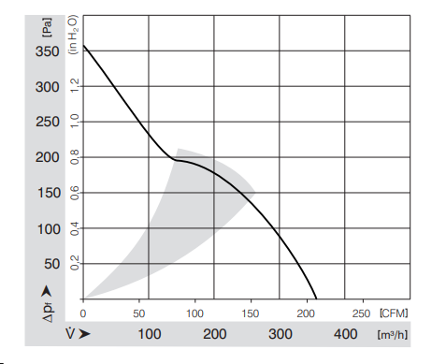
 |  |  |  |  |  |  | Everything Else | Harness | 6 | A
 |  |  |  |  |  |  | Battery (12V) | ETX1200 | 20 | Ah
 |  |  |  |  |  |  | Battery (12V) | ETX900 | 15.6 | Ah

 |  |  |  |  |  | 44.40227704

120mm | San Ace | 9WV1212P1J001 | 224 | 3 | here | 54.298642534
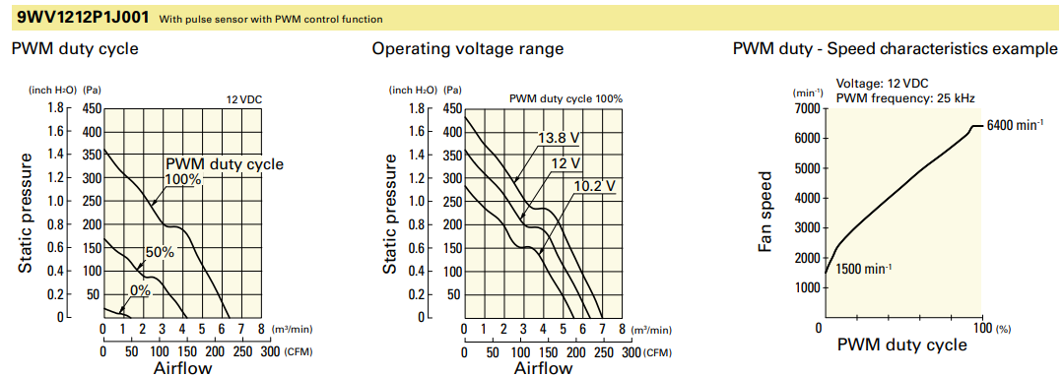

120mm | Same Sky | CFM-A225BF-153-577 | 169.5 | 2.16 | here | 61.287027579
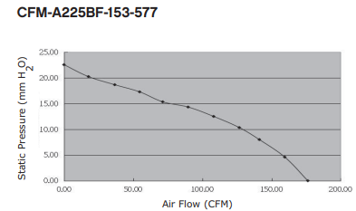

140mm | San Ace | 9GV1412P1H001 | 212 | 1.7 | here | 65.934065934
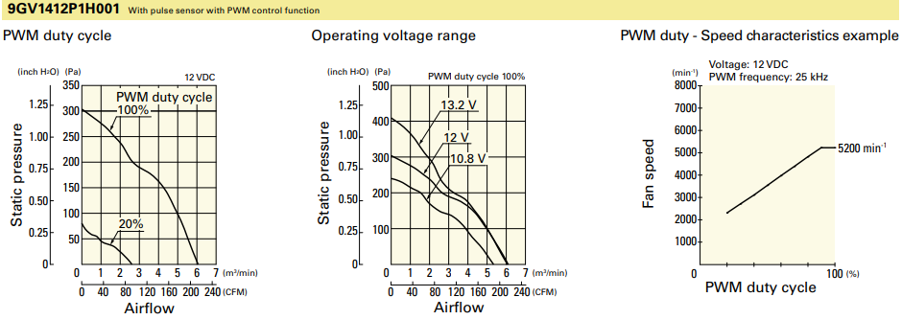
 |  |  |  |  |  | Low Stock

140mm | San Ace | 9LG1412P5S001 | 212 | 1.83 | here | 64.550833782
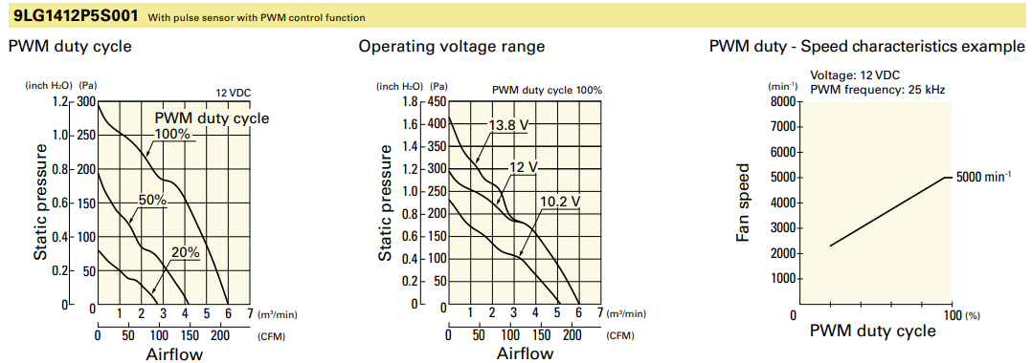
 |  |  |  |  |  | Non-Stocked

140mm | San Ace | 9GV1412P1S001 | 272 | 3.1 | here | 53.571428571
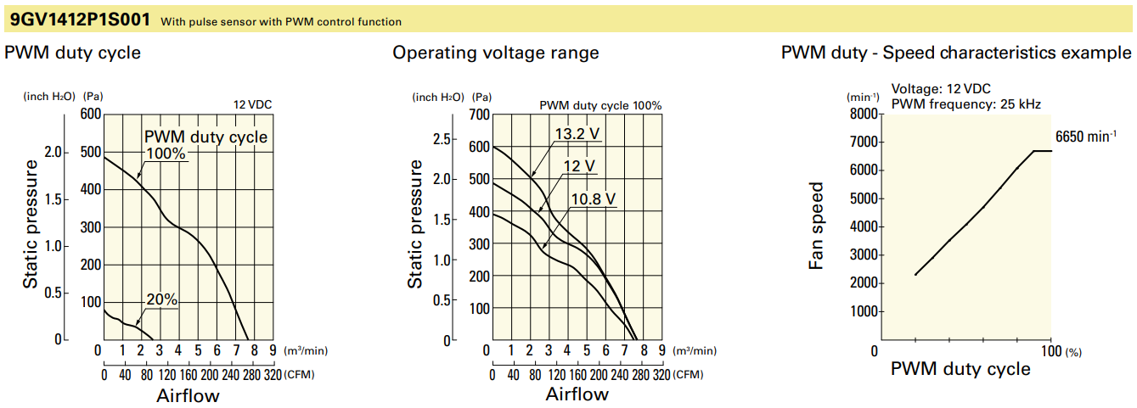

140mm | San Ace | 9WL1412P5S001 | 212 | 1.83 | here | 64.550833782
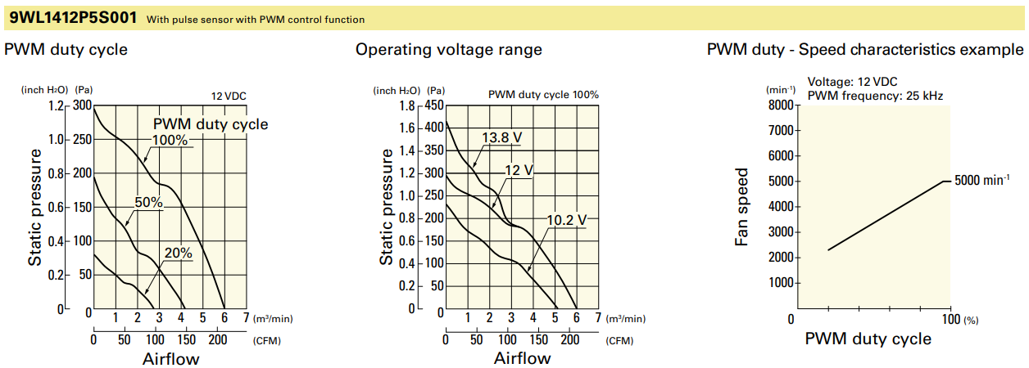
 |  |  |  |  |  | Better Availability

140mm | San Ace | 9WL1412P1A001 | 282 | 3.72 | here | 49.4641385
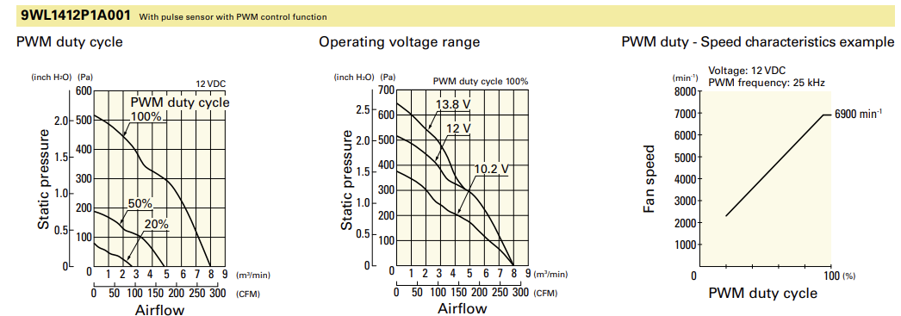

 |  |  |  |  |  | 38.58202803

 |  |  |  |  |  | E24 Fans

E24 Temperature Test 11-23-24
Run 1 (F) |  | Run 2 (F) |  | Stuff
Radiator in | 100 | Radiator in | 92 | Density of water | 1000 | kg/m^3
Radiator out | 97 | Radiator out | 85 | Specific Heat of water | 4186 | J/kg*c
Inverter in | 90 | Inverter in | 85
inverter out | 93 | inverter out | 90

Run 3 (F) |  | Run 1 ©
Radiator in | 95 | Radiator in | 37.777777778
Radiator out | 93 | Radiator out | 36.111111111
Inverter in | 86 | Inverter in | 32.222222222
inverter out | 89 | inverter out | 33.888888889

Run 2 © |  | Run 3 ©
Radiator in | 33.333333333 | Radiator in | 35
Radiator out | 29.444444444 | Radiator out | 33.888888889
Inverter in | 29.444444444 | Inverter in | 30
inverter out | 32.222222222 | inverter out | 31.666666667

Notes
-Motor in = Inverter out
-Motor out taken by temp sensor

